Top 5 movies that contributed
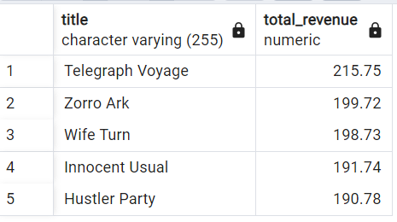
Query | Link
SELECT f.title, SUM(p.amount) AS total_revenue | https://public.tableau.com/app/profile/lisely.h/viz/3_10-top5movies/Sheet1?publish=yes
FROM film f
JOIN inventory i ON f.film_id = i.film_id
JOIN rental r ON i.inventory_id = r.inventory_id
JOIN payment p ON r.rental_id = p.rental_id
GROUP BY f.title
ORDER BY total_revenue DESC
LIMIT 5;

Output

Top 5 movies that contributed l
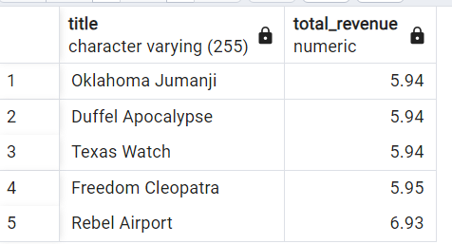
Query | Link
SELECT f.title, SUM(p.amount) AS total_revenue | https://public.tableau.com/app/profile/lisely.h/viz/3_10bottom5moviesbyrevenue/Sheet1?publish=yes
FROM film f
JOIN inventory i ON f.film_id = i.film_id
JOIN rental r ON i.inventory_id = r.inventory_id
JOIN payment p ON r.rental_id = p.rental_id
GROUP BY f.title
ORDER BY total_revenue ASC
LIMIT 5;

Output

